Sheet1
Bug ID | Description/Summary | Steps to Reproduce | Expected Result | Actual Result | Severity | Priority | Screenshot
ONLINE_LIQUOR-BUG-1 | To verify if the "Forgot Password" button on the sign-in page is not functioning correctly and allows users to reset their password. | 1. Click on 'Welcome, Guest' option 2. Click on "Forgot Password" button. | A password reset page should be displayed when the "Forgot Password" button is clicked. | The "Forgot Password" button is not functional and does not display the password reset page. | Major | P1(Medium)
ONLINE_LIQUOR-BUG-2 | User is able to register an account by providing an invalid email | 1. Click on 'Register' option 2. Enter a invalid email address into email field 3. Enter 'Create account' button 4. Enter valid inputs in all required fields 5. Click 'register' button | An error message should be displayed near the email field, clearly indicating that the email address is invalid. | The sign-up page does not properly validate email address format and allows users to create an account with an invalid email address. | Major | P1(Medium) | 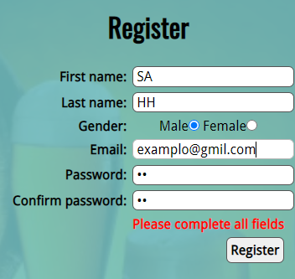
ONLINE_LIQUOR-BUG-3 | Allowing Digits in First Name Field | 1. Click on 'Register' option 2. Enter a digit into firstname field 3. Enter 'Create account' button 4. Enter valid inputs in all required fields 5. Click 'register' button | An error message should be displayed near the first name field, clearly indicating that digits are not allowed in the first name | The entry of digits in the first name field and allows users to create an account with digits in the first name | Minor | P2(Low) | 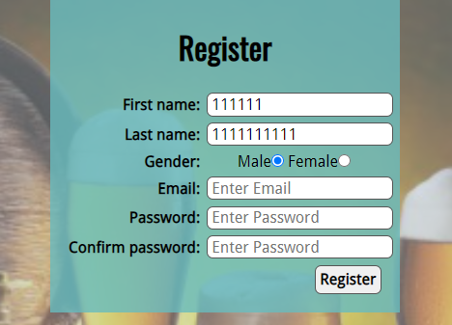
ONLINE_LIQUOR-BUG-4 | To verify if the 'Contact Us' page is properly displayed in the footer section of the website. | 1. Click on 'Register' option 2. Enter a valid email address into email field 3. Enter 'Create account' button 4. Enter valid inputs in all required fields 5. Click 'register' button | The 'Contact Us' link or button should be displayed in the footer section | The 'Contact Us' link or button is missing from the footer section. | Minor | P2(Low)
ONLINE_LIQUOR-BUG-5 | To verify if the "Delete ' icon" button on the sign-in page is not functioning correctly and allows users to reset their password. | 1. Enter any existing Product name into the Search text box field - <Refer Test Data> 2. Press the Enter key on the keyboard to initiate the search. 3. Click on 'Add to Cart' option on the product that is displayed in the Search Results (Validate ER-1) 4. Click on 'Cart' button which is in black color beside the search icon button on the top of the page 5. Click on 'View Cart' option in the displayed box (Validate ER-2) 6.Click on 'Delete ' icon in the displayed cart wishlist page | A confirmation message or notification appears, confirming the product deletion | The cart contents do not update immediately after the deletion action. | Major |  | 